F02
Speaker: F02 | Intelligibility: Low | Speech Vision Accuracy: 67.02

Model Name | Layers Frozen | Accuracy | Loss graph | Training accuracy graph
F03_E1.h5 | Encoder 1 | 47 |  | 

F03_E12.h5 | Encoder 12 | 45 |  | 

F03_E123 | Encoder 123 | 47 |  | 

F03_E1234 | Encode 1234 | 43 |  | 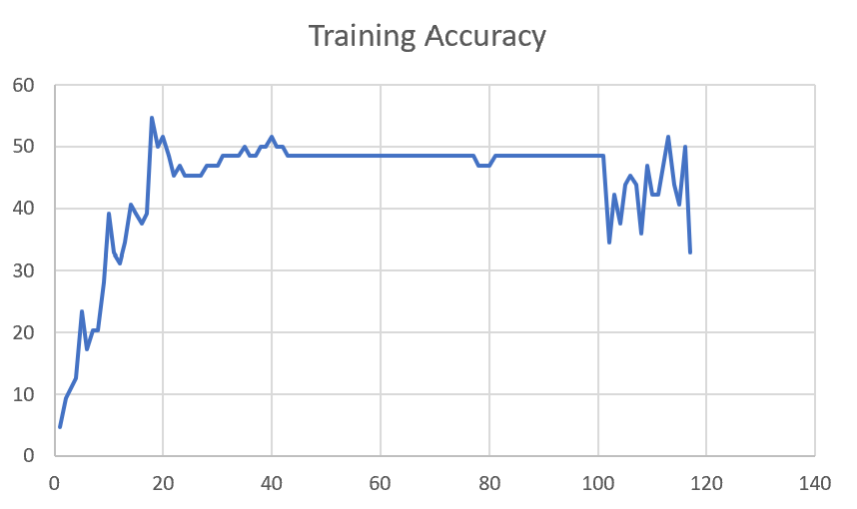

F03_E12345 | Encode 12345

Sheet1
 |  |  | Training Accuracy
0 | 0.953125 | 1 | 4.6875
1 | 0.90625 | 2 | 9.375
2 | 0.890625 | 3 | 10.9375
3 | 0.875 | 4 | 12.5
4 | 0.765625 | 5 | 23.4375
5 | 0.828125 | 6 | 17.1875
6 | 0.796875 | 7 | 20.3125
7 | 0.796875 | 8 | 20.3125
8 | 0.71875 | 9 | 28.125
9 | 0.609375 | 10 | 39.0625
10 | 0.671875 | 11 | 32.8125
11 | 0.6875 | 12 | 31.25
12 | 0.65625 | 13 | 34.375
13 | 0.59375 | 14 | 40.625
14 | 0.609375 | 15 | 39.0625
15 | 0.625 | 16 | 37.5
16 | 0.609375 | 17 | 39.0625
17 | 0.453125 | 18 | 54.6875
18 | 0.5 | 19 | 50
19 | 0.484375 | 20 | 51.5625
20 | 0.515625 | 21 | 48.4375
21 | 0.546875 | 22 | 45.3125
22 | 0.53125 | 23 | 46.875
23 | 0.546875 | 24 | 45.3125
24 | 0.546875 | 25 | 45.3125
25 | 0.546875 | 26 | 45.3125
26 | 0.546875 | 27 | 45.3125
27 | 0.53125 | 28 | 46.875
28 | 0.53125 | 29 | 46.875
29 | 0.53125 | 30 | 46.875
30 | 0.515625 | 31 | 48.4375
31 | 0.515625 | 32 | 48.4375
32 | 0.515625 | 33 | 48.4375
33 | 0.515625 | 34 | 48.4375
34 | 0.5 | 35 | 50
35 | 0.515625 | 36 | 48.4375
36 | 0.515625 | 37 | 48.4375
37 | 0.5 | 38 | 50
38 | 0.5 | 39 | 50
39 | 0.484375 | 40 | 51.5625
40 | 0.5 | 41 | 50
41 | 0.5 | 42 | 50
42 | 0.515625 | 43 | 48.4375
43 | 0.515625 | 44 | 48.4375
44 | 0.515625 | 45 | 48.4375
45 | 0.515625 | 46 | 48.4375
46 | 0.515625 | 47 | 48.4375
47 | 0.515625 | 48 | 48.4375
48 | 0.515625 | 49 | 48.4375
49 | 0.515625 | 50 | 48.4375
50 | 0.515625 | 51 | 48.4375
51 | 0.515625 | 52 | 48.4375
52 | 0.515625 | 53 | 48.4375
53 | 0.515625 | 54 | 48.4375
54 | 0.515625 | 55 | 48.4375
55 | 0.515625 | 56 | 48.4375
56 | 0.515625 | 57 | 48.4375
57 | 0.515625 | 58 | 48.4375
58 | 0.515625 | 59 | 48.4375
59 | 0.515625 | 60 | 48.4375
60 | 0.515625 | 61 | 48.4375
61 | 0.515625 | 62 | 48.4375
62 | 0.515625 | 63 | 48.4375
63 | 0.515625 | 64 | 48.4375
64 | 0.515625 | 65 | 48.4375
65 | 0.515625 | 66 | 48.4375
66 | 0.515625 | 67 | 48.4375
67 | 0.515625 | 68 | 48.4375
68 | 0.515625 | 69 | 48.4375
69 | 0.515625 | 70 | 48.4375
70 | 0.515625 | 71 | 48.4375
71 | 0.515625 | 72 | 48.4375
72 | 0.515625 | 73 | 48.4375
73 | 0.515625 | 74 | 48.4375
74 | 0.515625 | 75 | 48.4375
75 | 0.515625 | 76 | 48.4375
76 | 0.515625 | 77 | 48.4375
77 | 0.53125 | 78 | 46.875
78 | 0.53125 | 79 | 46.875
79 | 0.53125 | 80 | 46.875
80 | 0.515625 | 81 | 48.4375
81 | 0.515625 | 82 | 48.4375
82 | 0.515625 | 83 | 48.4375
83 | 0.515625 | 84 | 48.4375
84 | 0.515625 | 85 | 48.4375
85 | 0.515625 | 86 | 48.4375
86 | 0.515625 | 87 | 48.4375
87 | 0.515625 | 88 | 48.4375
88 | 0.515625 | 89 | 48.4375
89 | 0.515625 | 90 | 48.4375
90 | 0.515625 | 91 | 48.4375
91 | 0.515625 | 92 | 48.4375
92 | 0.515625 | 93 | 48.4375
93 | 0.515625 | 94 | 48.4375
94 | 0.515625 | 95 | 48.4375
95 | 0.515625 | 96 | 48.4375
96 | 0.515625 | 97 | 48.4375
97 | 0.515625 | 98 | 48.4375
98 | 0.515625 | 99 | 48.4375
99 | 0.515625 | 100 | 48.4375
<__main__.DisplayOutputs object at 0x7f7d205516a0> | 0.515625 | #VALUE! | 48.4375
<__main__.DisplayOutputs object at 0x7f7d205516a0> | 0.65625 | #VALUE! | 34.375
<__main__.DisplayOutputs object at 0x7f7d205516a0> | 0.578125 | #VALUE! | 42.1875
<__main__.DisplayOutputs object at 0x7f7d205516a0> | 0.625 | #VALUE! | 37.5
<__main__.DisplayOutputs object at 0x7f7d205516a0> | 0.5625 | #VALUE! | 43.75
<__main__.DisplayOutputs object at 0x7f7d205516a0> | 0.546875 | #VALUE! | 45.3125
<__main__.DisplayOutputs object at 0x7f7d205516a0> | 0.5625 | #VALUE! | 43.75
<__main__.DisplayOutputs object at 0x7f7d205516a0> | 0.640625 | #VALUE! | 35.9375
<__main__.DisplayOutputs object at 0x7f7d205516a0> | 0.53125 | #VALUE! | 46.875
<__main__.DisplayOutputs object at 0x7f7d205516a0> | 0.578125 | #VALUE! | 42.1875
<__main__.DisplayOutputs object at 0x7f7d205516a0> | 0.578125 | #VALUE! | 42.1875
<__main__.DisplayOutputs object at 0x7f7d205516a0> | 0.53125 | #VALUE! | 46.875
<__main__.DisplayOutputs object at 0x7f7d205516a0> | 0.484375 | #VALUE! | 51.5625
<__main__.DisplayOutputs object at 0x7f7d205516a0> | 0.5625 | #VALUE! | 43.75
<__main__.DisplayOutputs object at 0x7f7d205516a0> | 0.59375 | #VALUE! | 40.625
<__main__.DisplayOutputs object at 0x7f7d205516a0> | 0.5 | #VALUE! | 50
<__main__.DisplayOutputs object at 0x7f7d205516a0> | 0.67213114754 | #VALUE! | 32.786885246

